Incentives
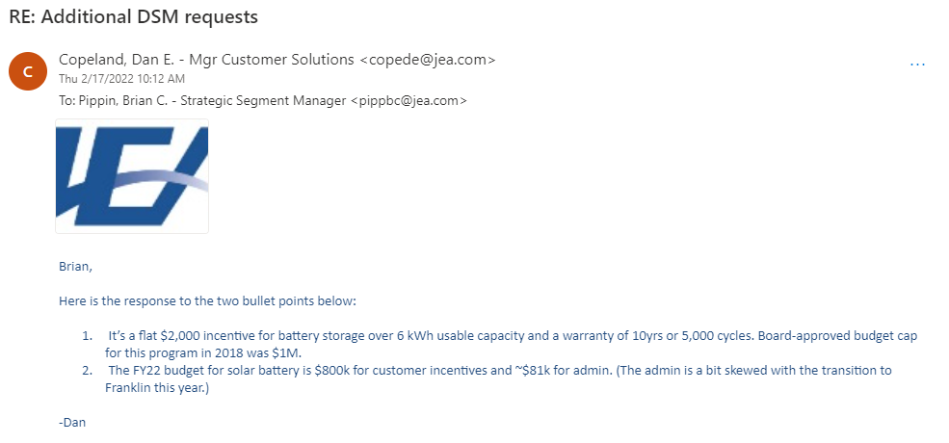
Title: | Base Rate for Solar Storage Incentives |  | CHECKING with Jim/B&V on the years covered in JEA's IRP report (since we received their updated forecast values from 2022 through 2052). Need to update once confirmed
Units: | $
Description: | A flat $2,000 incentive for battery storage over 6 kWh usable capacity and a warranty of 10yrs or 5,000 cycles.
Source: | JEA's data
Note: | Changed template (probably change by time: climate zone, static pv time, BESS incentive scenario)
 | Confirm incentive level hold, change overtime -question for JEA
BESS incentive scenario â | Static PV Time â | Incentive à
Low | 2002 | $2,000
Low | 2003 | $2,000
Low | 2004 | $2,000 |  | Not yet imported into model
Low | 2005 | $2,000
Low | 2006 | $2,000
Low | 2007 | $2,000
Low | 2008 | $2,000
Low | 2009 | $2,000
Low | 2010 | $2,000
Low | 2011 | $2,000
Low | 2012 | $2,000
Low | 2013 | $2,000
Low | 2014 | $2,000
Low | 2015 | $2,000
Low | 2016 | $2,000
Low | 2017 | $2,000
Low | 2018 | $2,000
Low | 2019 | $2,000
Low | 2020 | $2,000
Low | 2021 | $2,000
Low | 2022 | $2,000
Low | 2023 | $2,000
Low | 2024 | $2,000
Low | 2025 | $2,000
Low | 2026 | $2,000
Low | 2027 | $2,000
Low | 2028 | $2,000
Low | 2029 | $2,000
Low | 2030 | $2,000
Low | 2031 | $2,000
Low | 2032 | $2,000
Low | 2033 | $2,000
Low | 2034 | $2,000
Low | 2035 | $2,000
Low | 2036 | $2,000
Low | 2037 | $2,000
Low | 2038 | $2,000
Low | 2039 | $2,000
Low | 2040 | $2,000
Low | 2041 | $2,000
Low | 2042 | $2,000
Low | 2043 | $2,000
Low | 2044 | $2,000
Low | 2045 | $2,000
Low | 2046 | $2,000
Low | 2047 | $2,000
Low | 2048 | $2,000
Low | 2049 | $2,000
Low | 2050 | $2,000
Low | 2051 | $2,000
Low | 2052 | $2,000
Medium | 2002 | $2,000
Medium | 2003 | $2,000
Medium | 2004 | $2,000
Medium | 2005 | $2,000
Medium | 2006 | $2,000
Medium | 2007 | $2,000
Medium | 2008 | $2,000
Medium | 2009 | $2,000
Medium | 2010 | $2,000
Medium | 2011 | $2,000
Medium | 2012 | $2,000
Medium | 2013 | $2,000
Medium | 2014 | $2,000
Medium | 2015 | $2,000
Medium | 2016 | $2,000
Medium | 2017 | $2,000
Medium | 2018 | $2,000
Medium | 2019 | $2,000
Medium | 2020 | $2,000
Medium | 2021 | $2,000
Medium | 2022 | $2,000
Medium | 2023 | $2,000
Medium | 2024 | $2,000
Medium | 2025 | $2,000
Medium | 2026 | $2,000
Medium | 2027 | $2,000
Medium | 2028 | $2,000
Medium | 2029 | $2,000
Medium | 2030 | $2,000
Medium | 2031 | $2,000
Medium | 2032 | $2,000
Medium | 2033 | $2,000
Medium | 2034 | $2,000
Medium | 2035 | $2,000
Medium | 2036 | $2,000
Medium | 2037 | $2,000
Medium | 2038 | $2,000
Medium | 2039 | $2,000
Medium | 2040 | $2,000
Medium | 2041 | $2,000
Medium | 2042 | $2,000
Medium | 2043 | $2,000
Medium | 2044 | $2,000
Medium | 2045 | $2,000
Medium | 2046 | $2,000
Medium | 2047 | $2,000
Medium | 2048 | $2,000
Medium | 2049 | $2,000
Medium | 2050 | $2,000
Medium | 2051 | $2,000
Medium | 2052 | $2,000
High | 2002 | $2,000
High | 2003 | $2,000
High | 2004 | $2,000
High | 2005 | $2,000
High | 2006 | $2,000
High | 2007 | $2,000
High | 2008 | $2,000
High | 2009 | $2,000
High | 2010 | $2,000
High | 2011 | $2,000
High | 2012 | $2,000
High | 2013 | $2,000
High | 2014 | $2,000
High | 2015 | $2,000
High | 2016 | $2,000
High | 2017 | $2,000
High | 2018 | $2,000
High | 2019 | $2,000
High | 2020 | $2,000
High | 2021 | $2,000
High | 2022 | $2,000
High | 2023 | $2,000
High | 2024 | $2,000
High | 2025 | $2,000
High | 2026 | $2,000
High | 2027 | $2,000
High | 2028 | $2,000
High | 2029 | $2,000
High | 2030 | $2,000
High | 2031 | $2,000
High | 2032 | $2,000
High | 2033 | $2,000
High | 2034 | $2,000
High | 2035 | $2,000
High | 2036 | $2,000
High | 2037 | $2,000
High | 2038 | $2,000
High | 2039 | $2,000
High | 2040 | $2,000
High | 2041 | $2,000
High | 2042 | $2,000
High | 2043 | $2,000
High | 2044 | $2,000
High | 2045 | $2,000
High | 2046 | $2,000
High | 2047 | $2,000
High | 2048 | $2,000
High | 2049 | $2,000
High | 2050 | $2,000
High | 2051 | $2,000
High | 2052 | $2,000

Fed_ITC
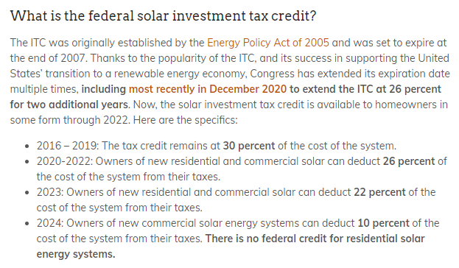
Title: | Federal Investment Tax Credit |  | https://news.energysage.com/solar-tax-credit-explained/#:~:text=The%20investment%20tax%20credit%20(ITC,no%20cap%20on%20its%20value.
Units: | % of installation price |  | CHECKING with Jim/B&V on the years covered in JEA's IRP report (since we received their updated forecast values from 2022 through 2052). Need to update once confirmed
Description: | Applicable to solar PV and storage whose stored energy comes primarily from solar PV.
Source: | https://www.energy.gov/eere/solar/articles/residential-and-commercial-itc-factsheets
Note: | Vary by sector, Cory sent the commercial version as template, need to double check for residential
 |  | All Sectors à
ITC Scenario â | Static PV Time â | Residential | NonResidential
Low | 2002 | 0 | 0
Low | 2003 | 0 | 0
Low | 2004 | 0 | 0
Low | 2005 | 30% | 30%
Low | 2006 | 30% | 30%
Low | 2007 | 30% | 30%
Low | 2008 | 30% | 30%
Low | 2009 | 30% | 30%
Low | 2010 | 30% | 30%
Low | 2011 | 30% | 30%
Low | 2012 | 30% | 30%
Low | 2013 | 30% | 30%
Low | 2014 | 30% | 30%
Low | 2015 | 30% | 30%
Low | 2016 | 30% | 30%
Low | 2017 | 30% | 30%
Low | 2018 | 30% | 30%
Low | 2019 | 30% | 30%
Low | 2020 | 26% | 26%
Low | 2021 | 26% | 26%
Low | 2022 | 26% | 26%
Low | 2023 | 22% | 22%
Low | 2024 | 0% | 10%
Low | 2025 | 0% | 10%
Low | 2026 | 0% | 10%
Low | 2027 | 0% | 10%
Low | 2028 | 0% | 10%
Low | 2029 | 0% | 10%
Low | 2030 | 0% | 10%
Low | 2031 | 0% | 10%
Low | 2032 | 0% | 10%
Low | 2033 | 0% | 10%
Low | 2034 | 0% | 10%
Low | 2035 | 0% | 10%
Low | 2036 | 0% | 10%
Low | 2037 | 0% | 10%
Low | 2038 | 0% | 10%
Low | 2039 | 0% | 10%
Low | 2040 | 0% | 10%
Low | 2041 | 0% | 10%
Low | 2042 | 0% | 10%
Low | 2043 | 0% | 10%
Low | 2044 | 0% | 10%
Low | 2045 | 0% | 10%
Low | 2046 | 0% | 10%
Low | 2047 | 0% | 10%
Low | 2048 | 0% | 10%
Low | 2049 | 0% | 10%
Low | 2050 | 0% | 10%
Low | 2051 | 0% | 10%
Low | 2052 | 0% | 10%
Medium | 2002 | 0 | 0
Medium | 2003 | 0 | 0
Medium | 2004 | 0 | 0
Medium | 2005 | 30% | 30%
Medium | 2006 | 30% | 30%
Medium | 2007 | 30% | 30%
Medium | 2008 | 30% | 30%
Medium | 2009 | 30% | 30%
Medium | 2010 | 30% | 30%
Medium | 2011 | 30% | 30%
Medium | 2012 | 30% | 30%
Medium | 2013 | 30% | 30%
Medium | 2014 | 30% | 30%
Medium | 2015 | 30% | 30%
Medium | 2016 | 30% | 30%
Medium | 2017 | 30% | 30%
Medium | 2018 | 30% | 30%
Medium | 2019 | 30% | 30%
Medium | 2020 | 26% | 26%
Medium | 2021 | 26% | 26%
Medium | 2022 | 26% | 26%
Medium | 2023 | 22% | 22%
Medium | 2024 | 30% | 30%
Medium | 2025 | 30% | 30%
Medium | 2026 | 30% | 30%
Medium | 2027 | 30% | 30%
Medium | 2028 | 30% | 30%
Medium | 2029 | 30% | 30%
Medium | 2030 | 30% | 30%
Medium | 2031 | 30% | 30%
Medium | 2032 | 30% | 30%
Medium | 2033 | 30% | 30%
Medium | 2034 | 30% | 30%
Medium | 2035 | 30% | 30%
Medium | 2036 | 30% | 30%
Medium | 2037 | 30% | 30%
Medium | 2038 | 30% | 30%
Medium | 2039 | 30% | 30%
Medium | 2040 | 30% | 30%
Medium | 2041 | 30% | 30%
Medium | 2042 | 30% | 30%
Medium | 2043 | 30% | 30%
Medium | 2044 | 30% | 30%
Medium | 2045 | 30% | 30%
Medium | 2046 | 30% | 30%
Medium | 2047 | 30% | 30%
Medium | 2048 | 30% | 30%
Medium | 2049 | 30% | 30%
Medium | 2050 | 30% | 30%
Medium | 2051 | 30% | 30%
Medium | 2052 | 30% | 30%
High | 2002 | 0 | 0
High | 2003 | 0 | 0
High | 2004 | 0 | 0
High | 2005 | 30% | 30%
High | 2006 | 30% | 30%
High | 2007 | 30% | 30%
High | 2008 | 30% | 30%
High | 2009 | 30% | 30%
High | 2010 | 30% | 30%
High | 2011 | 30% | 30%
High | 2012 | 30% | 30%
High | 2013 | 30% | 30%
High | 2014 | 30% | 30%
High | 2015 | 30% | 30%
High | 2016 | 30% | 30%
High | 2017 | 30% | 30%
High | 2018 | 30% | 30%
High | 2019 | 30% | 30%
High | 2020 | 26% | 26%
High | 2021 | 26% | 26%
High | 2022 | 26% | 26%
High | 2023 | 22% | 22%
High | 2024 | 30% | 30%
High | 2025 | 30% | 30%
High | 2026 | 30% | 30%
High | 2027 | 30% | 30%
High | 2028 | 30% | 30%
High | 2029 | 30% | 30%
High | 2030 | 30% | 30%
High | 2031 | 30% | 30%
High | 2032 | 30% | 30%
High | 2033 | 30% | 30%
High | 2034 | 30% | 30%
High | 2035 | 30% | 30%
High | 2036 | 30% | 30%
High | 2037 | 30% | 30%
High | 2038 | 30% | 30%
High | 2039 | 30% | 30%
High | 2040 | 30% | 30%
High | 2041 | 30% | 30%
High | 2042 | 30% | 30%
High | 2043 | 30% | 30%
High | 2044 | 30% | 30%
High | 2045 | 30% | 30%
High | 2046 | 30% | 30%
High | 2047 | 30% | 30%
High | 2048 | 30% | 30%
High | 2049 | 30% | 30%
High | 2050 | 30% | 30%
High | 2051 | 30% | 30%
High | 2052 | 30% | 30%

Tax_Rates
Title: | Corporate Tax Rates |  | Historic:
Units: | fraction |  |  | 3% - November 1, 1949 to March 31, 1968
Description: | State and federal corporate tax rates. |  |  | 4% - April 1, 1968 to April 30, 1982
Source: | [State]: https://floridarevenue.com/taxes/taxesfees/pages/sales_tax.aspx; https://floridarevenue.com/taxes/Documents/flHistorySalesTaxRates.pdf#:~:text=History%20of%20Florida%20Sales%20and%20Use%20Tax%203%25,30%2C%2020050%25%20-%20July%201%2C%202005%20to%20Present |  |  | 5% - May 1, 1982 to January 31, 1988
 | [federal]: https://corporatetax.procon.org/federal-corporate-income-tax-rates/ |  |  | 6% - February 1, 1988 to Present
 | CHECKING with Jim/B&V on the years covered in JEA's IRP report (since we received their updated forecast values from 2022 through 2052). Need to update once confirmed
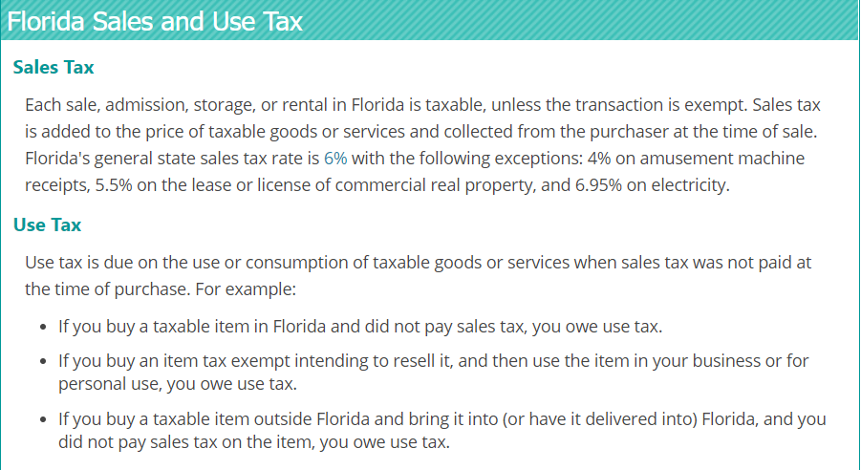
Static PV Time â | State | Federal
2002 | 6% | 21%
2003 | 6% | 21%
2004 | 6% | 21%
2005 | 6% | 21%
2006 | 6% | 21%
2007 | 6% | 21%
2008 | 6% | 21%
2009 | 6% | 21%
2010 | 6% | 21%
2011 | 6% | 21%
2012 | 6% | 21%
2013 | 6% | 21%
2014 | 6% | 21%
2015 | 6% | 21%
2016 | 6% | 21%
2017 | 6% | 21%
2018 | 6% | 21%
2019 | 6% | 21%
2020 | 6% | 21%
2021 | 6% | 21%
2022 | 6% | 21%
2023 | 6% | 21%
2024 | 6% | 21%
2025 | 6% | 21%
2026 | 6% | 21%
2027 | 6% | 21%
2028 | 6% | 21%
2029 | 6% | 21%
2030 | 6% | 21%
2031 | 6% | 21%
2032 | 6% | 21%
2033 | 6% | 21%
2034 | 6% | 21%
2035 | 6% | 21%
2036 | 6% | 21%
2037 | 6% | 21%
2038 | 6% | 21%
2039 | 6% | 21%
2040 | 6% | 21%
2041 | 6% | 21%
2042 | 6% | 21%
2043 | 6% | 21%
2044 | 6% | 21%
2045 | 6% | 21%
2046 | 6% | 21%
2047 | 6% | 21%
2048 | 6% | 21%
2049 | 6% | 21%
2050 | 6% | 21%
2051 | 6% | 21%
2052 | 6% | 21%

